Sheet1
 |  | Document No. | Issue No. | Issue Date |  | Review and Replace Date |  |  | Authorised By
 |  | GFF468MC | 1 | 02.10.2024 |  | New Document |  |  | Magda Shah
 |  | Document Title | 8* Hot & Spicy Chicken Bites with Tomato & Coriander Dip | 240G
Document amendments reason for change |  | New Document |  |  | Page 1 of 1 | Previous Issue Date | New Document |  | Uncontrolled copy unless signed original

CCSBI2-R1TEB | BOOTHS - XMAS |  | 8* Hot & Spicy Chicken Bites with Tomato & Coriander Dip | 240G
STEP 1 |  |  |  |  | STEP 2
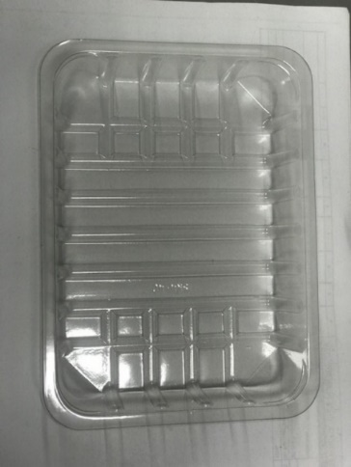 |  |  |  |  | 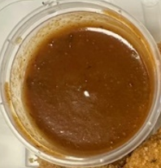

Tray: SK4 Plain Clear (PKESS001-07) |  |  |  |  | Tomato & Coriander Dip (GFF501R): 40g
Film: K-peel 7G+25A/f-275mm (PKKMP001-03)
STEP 3


Xmas Hot & Spicy Chicken Bites (GFF502R): 200g Minimum 8 chicken pieces |  |  |  |  |  |  |  | TOTAL WEIGHT: 240g

ALLERGY ALERT: BARLEY

